Dashboard
 | Modular Seal Calculator
 | Manual input

 |  | Inside diameter ID Core drill hole / wall sleeve Dimensions in mm | 200 | 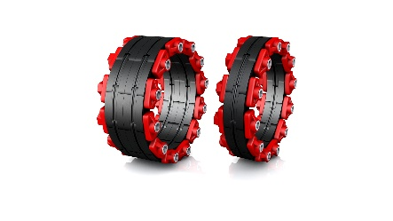 | 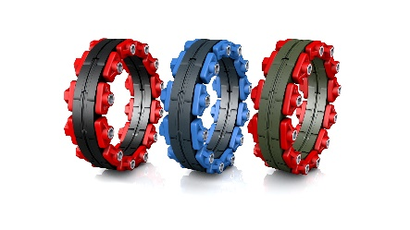 |  | 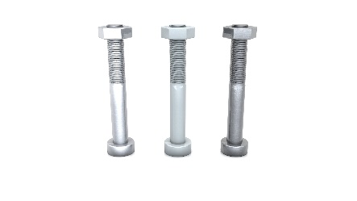
 |  |  |  | Pressure tight |  | Sealing material |  | Bolts and nuts material
 |  | Outside diameter OD Pipes / cables Dimensions in mm | 110 | NOTE: Choose wich pressure tight the Modular Seal need. |  | NOTE: Choose wich sealing material the Modular Seal need. |  | NOTE: Choose the bolts and nuts material.

 | Result

 | 7 x |  |  |  |  | Technical details:
 |  |  |  |  |  | Item number to order |  | 7 x CRA21310V2A
 |  |  |  |  |  | Modular Seal mOD (mm) |  | 190.5
 |  |  |  |  |  | Modular Seal mID (mm) |  | 112.5
 |  |  | CRA21310V2A |  |  | Modular Seal Thickness (mm) |  | 90.0
 |  |  |  |  |  | Weight (kg) |  | n/a
 |  |  | Crassus - Modular Seal Type CS GK-475, EPDM, V2A |  |  | Annular gap (mm) |  | 45.0
 |  |  |  |  |  | Thighting torque (Nm) |  | 35.0
 |  |  |  |  |  | Bolts / Nuts |  | M10
 |  |  |  |  |  | Wrench width |  | Hexagon screw SW-17
 |  |  |  |  |  | Optimal solution? |  | Yes
 |  |  |  |  |  | Total price |  | on request

© Copyright by Crassus GmbH & Co. KG | Version 1.0 |  |  |  |  |  |  |  |  | Questions regarding our products? Email: sales@crassus.de

Product Data Sheet
Product Data Sheet
7 x CRA21310V2A | Crassus - Modular Seal Type CS GK-475, EPDM, V2A

Eingabe / Vorgabe:
ID | Core drill hole / wall sleeve (mm) | 200.0
OD | Pipes / cables (mm) | 110.0
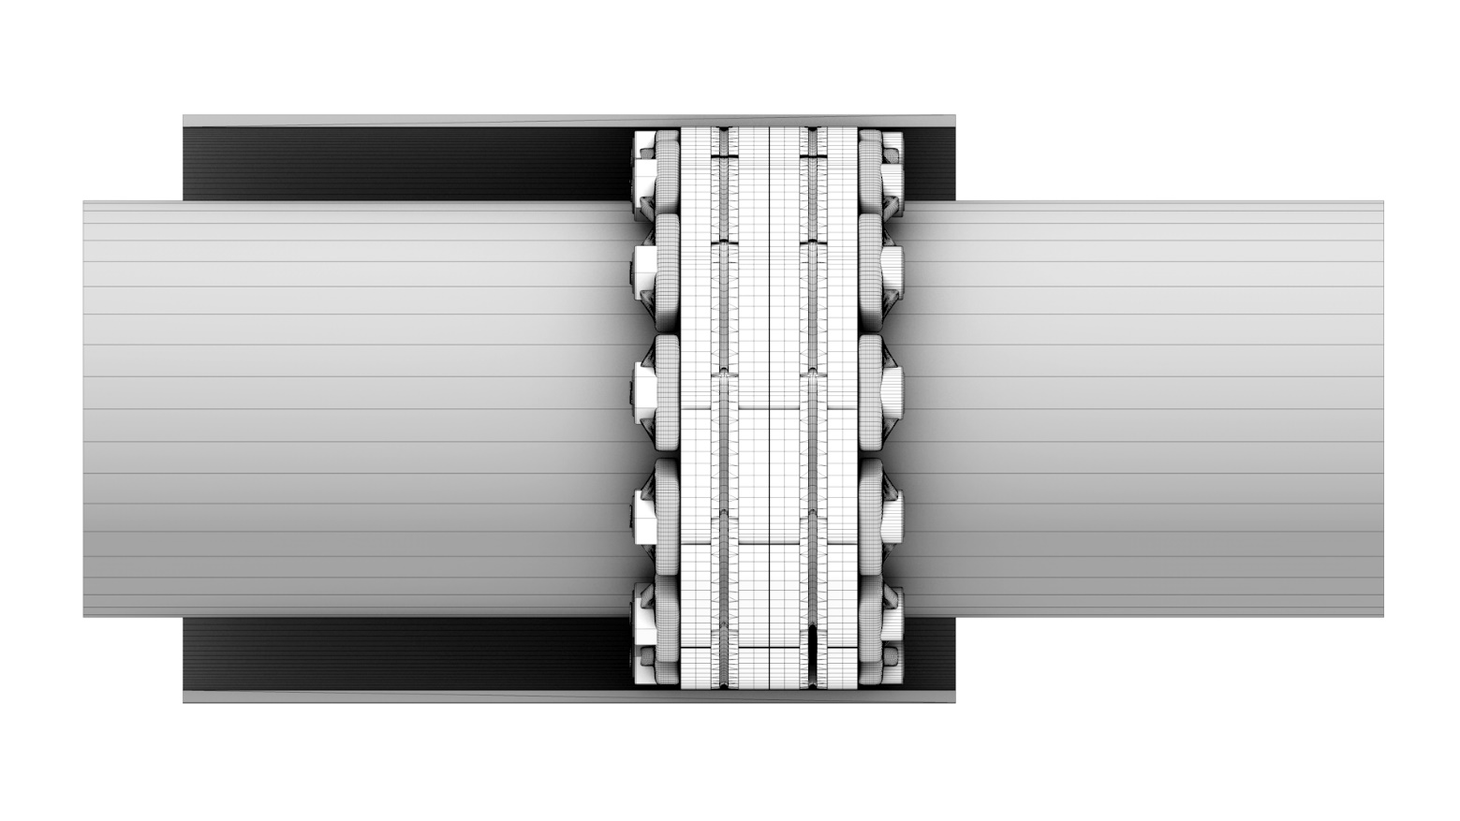
Rs | Annular gap nominal (mm) | 45.0
R_{i}
Optimal solution*:
Item number to order |  | 7 x CRA21310V2A
mOD | Modular Seal Outside Ø (mm) | 190.5
mID | Modular Seal Inside Ø (mm) | 112.5
7 x CRA21310V2A
Ri | Annular gap actual (mm) | 39.0
ID
OD
mID
mOD
B | Modular Seal Thickness (mm) | 90.0
 |  | *) Fits optimal to input data as a result of grounting/pressing!

Product specifications
Resistance to heat (C°) |  | 120.0
Resistance to cold (C°) |  | -40.0
R_{s}
Suitable for flush-mounting |  | Ja
B
UV-resistant |  | Ja
Suitable for soil |  | Ja
Weight (kg) |  | n/a

Info: Crassus are always endeavor to provide you correct, current and complete information. We change or supplement the content constantly if necessary and without notice. Nevertheless we have to exclude any warranty, liability or guarantee related to issues with accuracy, timeliness or completeness on this tool.

